Learn More
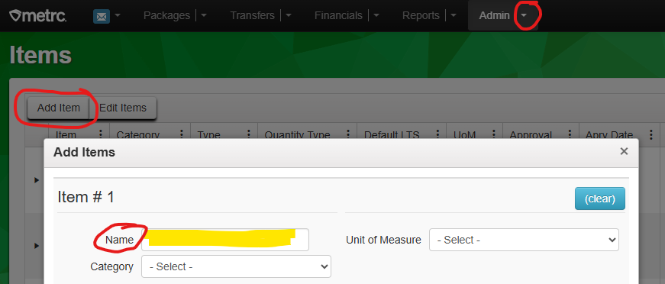
Learn More
You’ll need to manually enter the template-generated name into Metrc.
Paste the template-generated name(s) from column J into the Name field when adding a new item (a.k.a. product) in Metrc. For example, when you are trying to add new product that's ready to be sold to consumers at a dispensary, you will need to add this product as an Item in Metrc before selling.
1. Log into Metrc: https://mn.metrc.com/
Go to Metrc login page.
2. Find Admin at the top navigation bar and click to see dropdown options --> Select Items.
3. Select Add Item in the Items view.
4. The template-generated product name should be copied from column J of the Product Name Generator and pasted
into the Name field in Metrc.
You may use the Metrc Product Name Generator to enter your products into Metrc.
There are several reasons you are might want to use this template to come up with product names entered into Metrc:
1. It follows best practices for naming products in Metrc, as well as ensuring consistency (sameness) across all manufacturers when products are being named.
2. This helps you quickly recognize what the product is when you see this product entry in Metrc, as well as helping you narrow down on what you might be looking for on the shelves based on the details found in the Metrc product name. This is especially true if there are several, similar product types you have to distinguish between. It speeds up your work while minimizing errors at the same time.
3. This helps inspectors when they come for site inspections and are looking at products in Metrc. Using this template to create consistency across products in Metrc speeds up their work so that they can be in and out of your site in a timely fashion, which also helps you get back to operating your business as quickly as possible.
4. This helps data analysts quickly report back out to the public information about the Minnesota cannabis market, such as trends in consumer purchases. Having a standardized way for entering product names into Metrc speeds up the ability to report on this data.
It’s ok if the product name generated by the template is not on product packaging, but similar info will be helpful.
The template-generated name that goes into Metrc does not need to be identical to the name/label provided on the product's packaging. But, there will be considerable overlap between these two things since some of the details on the template-generated name are also legally required on the product.
Review Minnesota Statutes, section 342.63 for product-labeling requirements.
What to do if you can't find a category under the "Product Type" dropdown that best describes the product.
Immediately alert the Office of Cannabis Management (OCM), so we can either help you determine what to select or update the template. Find contact details at the bottom of this "Learn More" tab.
What to do if you want to add additional info to the product name but it isn't requested in the template.
Add additional details about the product to the Descriptor column. Anything entered into the Descriptor column will be added to the product name. At the same time, remember that it is best to not overcomplicate your product's name. Try to keep additional details limited to things that will help you identify your product easily from other similar products. For example, if you're selling two ice cream products that are identical in brand and flavor, but the amounts being sold are different, you may want to include the amount being sold into the Descriptor column to differentiate the two products.
Examples:
Ice Cream 3.6 oz.-EN | Brand A | Cookie Dough | 1 ct
vs.
Ice Cream 14 oz.-EN | Brand A | Cookie Dough | 1 ct
What to do if you messed up on the template, and now the template isn't working properly.
You can always download a new template to use.
Download a new version of the template.
There will be extra letter(s) with a hyphen (-) included in the template-generated name.
Example: Seltzer 8 fl oz.-EY | Cannabis Abyss | Watermelon | 6 ct
Those letters are automatically generated by the template and are specifically for OCM's use. Please leave those letters in the product name when pasting it into Metrc. They will eventually be useful to OCM when we report on the data to educate the public on what consumers are buying. In other words, what you are seeing is normal and nothing to worry about. Simply copy and paste the template-generated name, including those extra letters, into Metrc.
Have questions?
Call the Office of Cannabis Management at 1-651-539-5000 (select option 3). Or, email OCM at cannabis.info@state.mn.us.
Start an email to OCM.
End of worksheet

