1. Cover
Workforce and Utilization Analysis & Availability and Underutilization Analysis
 | The Workforce and Utilization Analysis (WUA) is snapshot of your current workforce by job group. The Availability and Underutilization Analysis (AUA) compares your current workforce to the available percentage of employees in applicable job groups and labor markets.

Company name |  | Next step:

Address |  | After completing this page, click on the 2. WUA tab to enter the number of employees.

Date completed
 |  | Never delete a row or the calculations for the 3. AUUA tab will not be accurate.

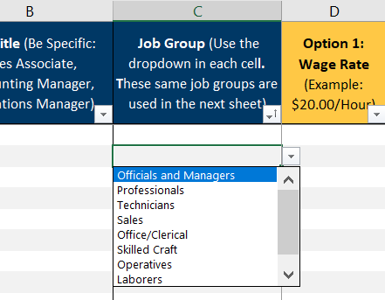
Contact first and last name
 |  |  | On sheet 2, click inside each cell in Column C to select a job group from the dropdown menu.
Title

Email address

Phone number

Rev. 10/2/2025

