Cooling Savings
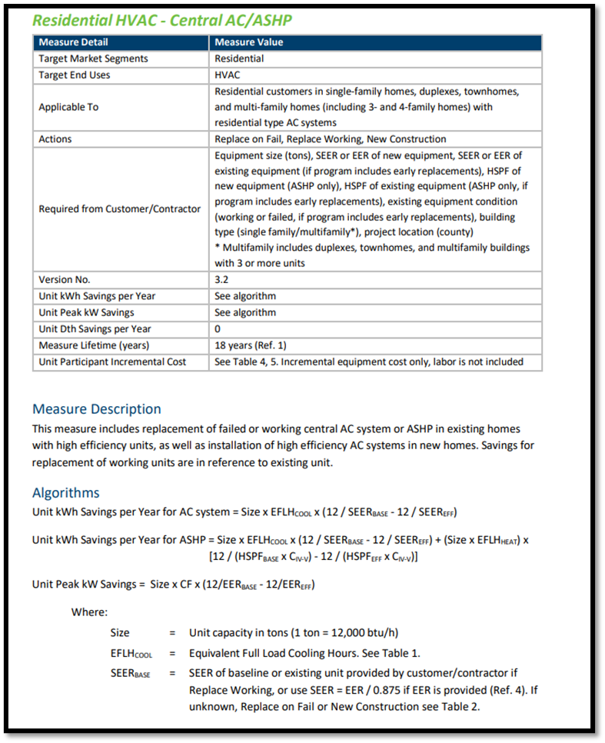
Measure Details |  |  |  |  |  |  |  | Scenario 1 |  |  | Scenario 2
Parameter | Description | Source/Notes |  |  | Variable inputs |  | System Type | AC to HP |  |  | HP to HP
Existing | AC or less efficient ASHP |  |  |  | Static inputs |  | Climate Zone | 1 | 2 | 3 | 1 | 2 | 3
Efficient case | Electric Air Source HP |  |  |  | Calculated values |  | New Heat Pump
Savings application | Cooling |  |  |  |  |  | Output capacity, Btu/hr (for AC to HP Comparison, set equal to the AC capacity so that efficiency is the only differentiating metric) | 31,000 | 30,000 | 35,500 | 31,000 | 30,000 | 35,500
Savings units | kWh |  |  |  |  |  | Heat Pump EFLH (for AC to HP Comparison, set equal to the AC EFLH so that efficiency is the only differentiating metric) | 312 | 565 | 567 | 456 | 512 | 678
 |  |  |  |  |  |  | SEER | 19.5 | 19.5 | 19.5 | 19.5 | 19.5 | 19.5
Algorithms: |  |  |  |  |  |  | Input capacity, Btu/hr
Scenario 1 | AC Baseline | Electric Use, kWh = | AC Btuh_out/12,000 Btu/ton x EFLHCOOL(AC) x 12 / SEER Base |  |  |  | POTENTAL kBtu delivery | 9,672 | 16,950 | 20,129 | 14,136 | 15,360 | 24,069
 | HP Performance | Electric Use, kWh = | - HP Btuh_out/12,000 Btu/ton x EFLHCOOL(HP) x 12 / SEER EFF |  |  |  | Existing System
 |  |  |  |  |  |  | Output capacity, Btu/hr | 31,000 | 30,000 | 35,500 | 31,000 | 30,000 | 35,500
Scenario 2 | Less Efficient HP Baseline | Electric Use, kWh = | HP BASE Btuh_out/12,000 Btu/ton x EFLHCOOL(HP) x 12 / SEER Base |  |  | 1701 | EFLH (Existing System) | 312 | 565 | 567 | 456 | 512 | 678
 | HP Performance | Electric Use, kWh = | - HP EFF Btuh_out/12,000 Btu/ton x EFLHCOOL(HP) x 12 / SEER EFF |  |  |  | SEER | 14.0 | 14.0 | 14.0 | 14.0 | 14.0 | 14.0
 |  |  |  |  |  |  | Input capacity, Btu/hr
 |  |  |  |  |  |  | Delivered kBtu in existing | 9,672 | 16,950 | 20,129 | 14,136 | 15,360 | 24,069
Climate Zone | EFLH Cool HP | EFLH Cool AC | CF Single Speed | CF Variable Speed |  |  | KWH Consumed | 690.86 | 1,210.71 | 1,437.75 | 1,009.71 | 1,097.14 | 1,719.21
1 | 456 | 312 | 0.75 | 0.9 |  |  | $/kWh | $0.13 | $0.13 | $0.13 | $0.13 | $0.13 | $0.13
2 | 512 | 565 |  |  |  |  | Cost of kWh ($) in Existing | $90 | $157 | $187 | $131 | $143 | $223
3 | 678 | 567 |  |  |  |  | Existing Electric emissions, mt CO2 | 0.3 | 0.5 | 0.6 | 0.5 | 0.5 | 0.8
 |  |  |  |  |  |  | Performance Case (HP Installed)
 |  |  |  |  |  |  | Heat Pump delivered kBtu | 9,672 | 16,950 | 20,129 | 14,136 | 15,360 | 24,069
For Deemed Savings, assumed Constants: |  | Units | Source/Notes |  |  |  | Delivered heat comparison | 100% | 100% | 100% | 100% | 100% | 100%
Zone 1 HP Capacity (output) | 31,000 | Btu/hr | largely found size in study, and equates to equal delivered heating load as existing furnace |  |  |  | KWH Consumed | 496 | 869 | 1,032 | 725 | 788 | 1,234
Zone 2 HP Capacity (output) | 30,000 | Btu/hr | largely found size in study, and equates to equal delivered heating load as existing furnace |  |  |  | Cost of kWh ($) in Performance | $64 | $113 | $134 | $94 | $102 | $160
Zone 3 HP Capacity (output) | 35,500 | Btu/hr | equates to equal delivered heating load as existing furnace |  |  |  | Electric emissions, mt CO2 | 0.2 | 0.4 | 0.5 | 0.3 | 0.4 | 0.6
SEER of ASHP | 19.5 | SEER | from study of installed HPs in MN, median value |  |  |  | Net Results
EER of ASHP | 12.5 | EER | from study of installed HPs in MN, median value |  |  |  | Net kWh | (195) | (341) | (406) | (285) | (309) | (485)
Zone 1 Baseline HP Capacity (output) | 31,000 |  | Set equal to HP output kbtu |  |  |  | Net MMBTU | (0.7) | (1.2) | (1.4) | (1.0) | (1.1) | (1.7)
Zone 2 Baseline HP Capacity (output) | 30,000 |  | Set equal to HP output kbtu |  |  |  | kWh operating cost (net) | $(25) | $(44) | $(53) | $(37) | $(40) | $(63)
Zone 3 Baseline HP Capacity (output) | 35,500 |  | Set equal to HP output kbtu |  |  |  | Net Emissions (mt CO2e) | (0.09) | (0.15) | (0.18) | (0.13) | (0.14) | (0.22)
Zone 1 Baseline AC Capacity (output) | 31,000 |  | Set equal to HP output kbtu
Zone 2 Baseline AC Capacity (output) | 30,000 |  | Set equal to HP output kbtu
Zone 3 Baseline AC Capacity (output) | 35,500 |  | Set equal to HP output kbtu
Baseline HP Efficiency | 14.0 | SEER | https://www.ecfr.gov/cgi-bin/text-idx?SID=a9921a66f2b4f66a32ec851916b7b9d9&mc=true&node=se10.3.430_132&rgn=div8
Baseline AC Efficiency | 14.0 | SEER | https://www.ecfr.gov/cgi-bin/text-idx?SID=a9921a66f2b4f66a32ec851916b7b9d9&mc=true&node=se10.3.430_132&rgn=div8
Electric grid CO2e emissions, Mt CO2e/kWh (Metric tons) | 0.000448 | https://www.epa.gov/egrid | 0.131295 | Mt CO2e / mmbtu
Electric Cost | $0.13 | per kWH | https://ycharts.com/indicators/minnesota_electric_utility_retail_price

Deemed Cooling Energy Savings
 |  | Zone 1 | Zone 2 | Zone 3
AC to HP | kWh Saved | 195 | 341 | 406
 | kW Demand Savings | 0.54 | 0.52 | 0.61
 | Emissions Reduced (mt CO2e) | 0.09 | 0.15 | 0.18
HP to HP | kWh Saved | 285 | 309 | 485
 | kW Demand Savings | 0.54 | 0.52 | 0.61
 | Emissions Reduced (mt CO2e) | 0.13 | 0.14 | 0.22

